Sheet1
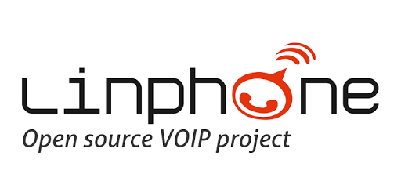
Client: Nanoteq - Kobus Coetzee
Methodology: Waterfall
Izak Blom 13126777
David Breetzke 12056503
Paul Engelke 13093500
Prenolan Govender 13102380
Jessica Lessev 13049136

Project Objective and Value
The purpose of this project is to extend Linphone's Instant Messaging (IM) implementation on Android platforms to include group chat functionality with security features such as encryption of messages.
This will give users the ability to have conversations with multiple other users simultaneously over the same interface.
Users will have the peace of mind that conversations are secure as the option to encrypt messages is available.
Extending the Project
Since the project was extended without changing any server code, this makes the system distributed. Thus the system is easily extendable, especially in terms of encryption, as a new encryption strategy needs only to be plugged in.

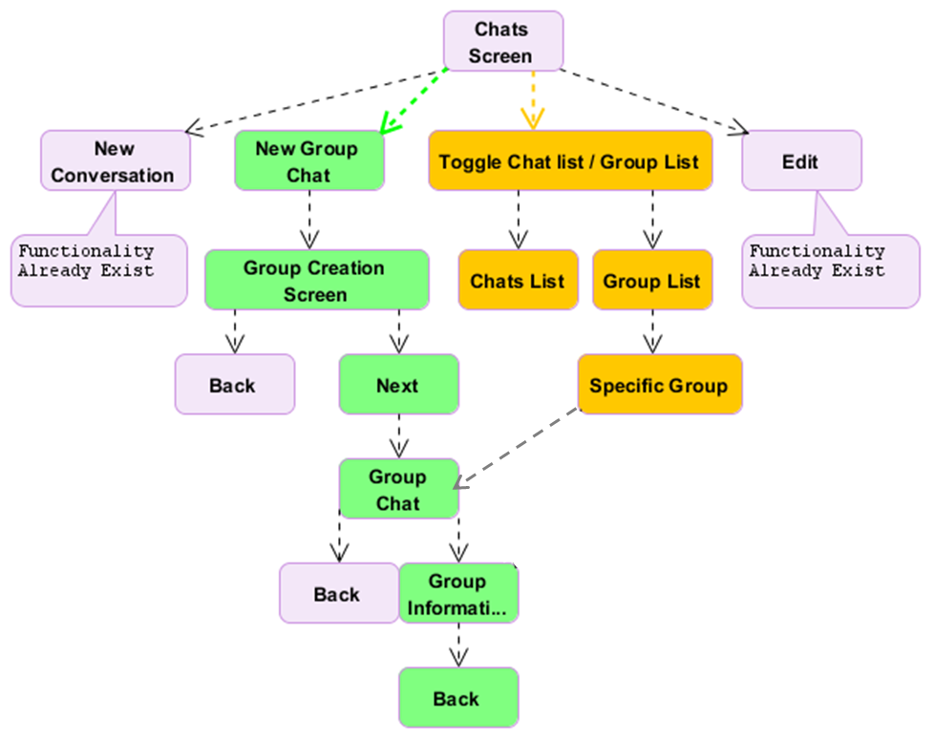
Project Functionality & Navigation

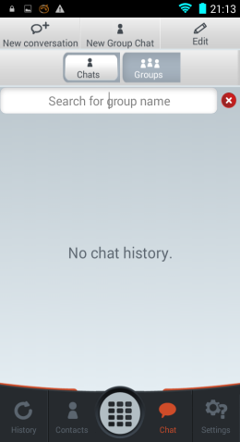
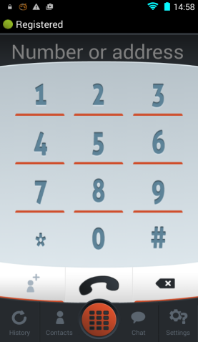
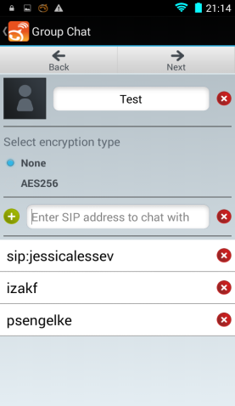
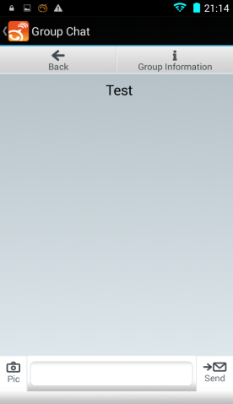
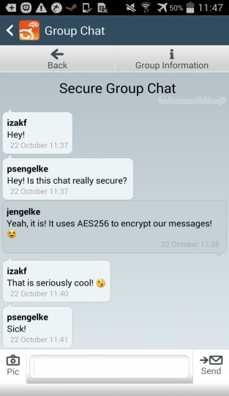

Project Architecture
The existing system is a layered architecture and the extension to the project adds another layer to the existing architecture.



Project Novelty
What makes this project special?
- Secure messaging through encryption
- Distributed sytem
- Easily extendable
- Easier maintenance
- Waterfall methodology used for project development
- Solid architecture
- Solid and reliable documentation

Project Challenges
- Understanding and working with an existing project of this magnitude.
- Not being reliant on changing server code
- Inexperience with waterfall
- Unfamiliarity with certain paradigms (encryption, Android coding etc)

